Evidence after testing
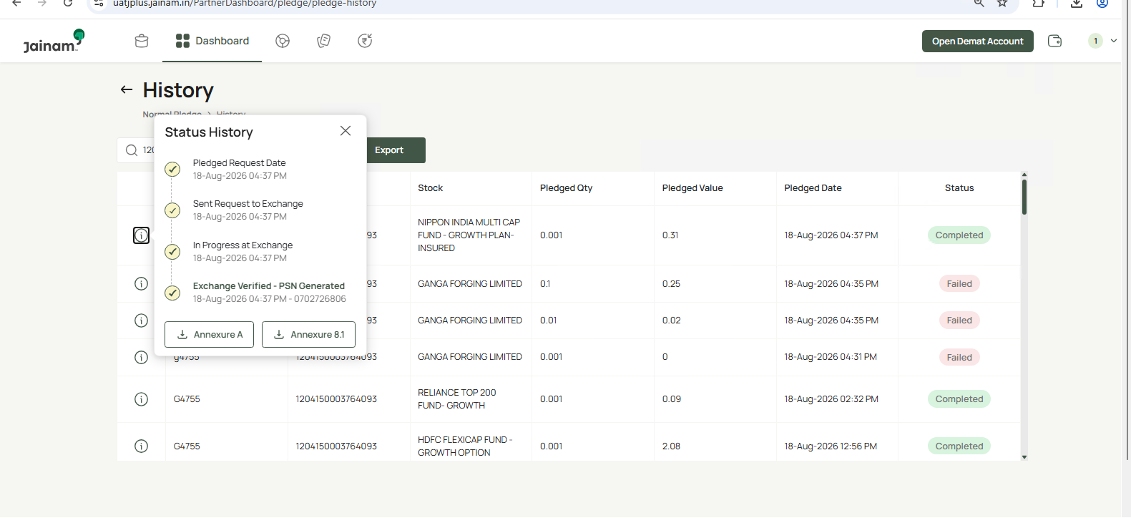
Evidence
Normal Pledge option is displayed below Account Details.

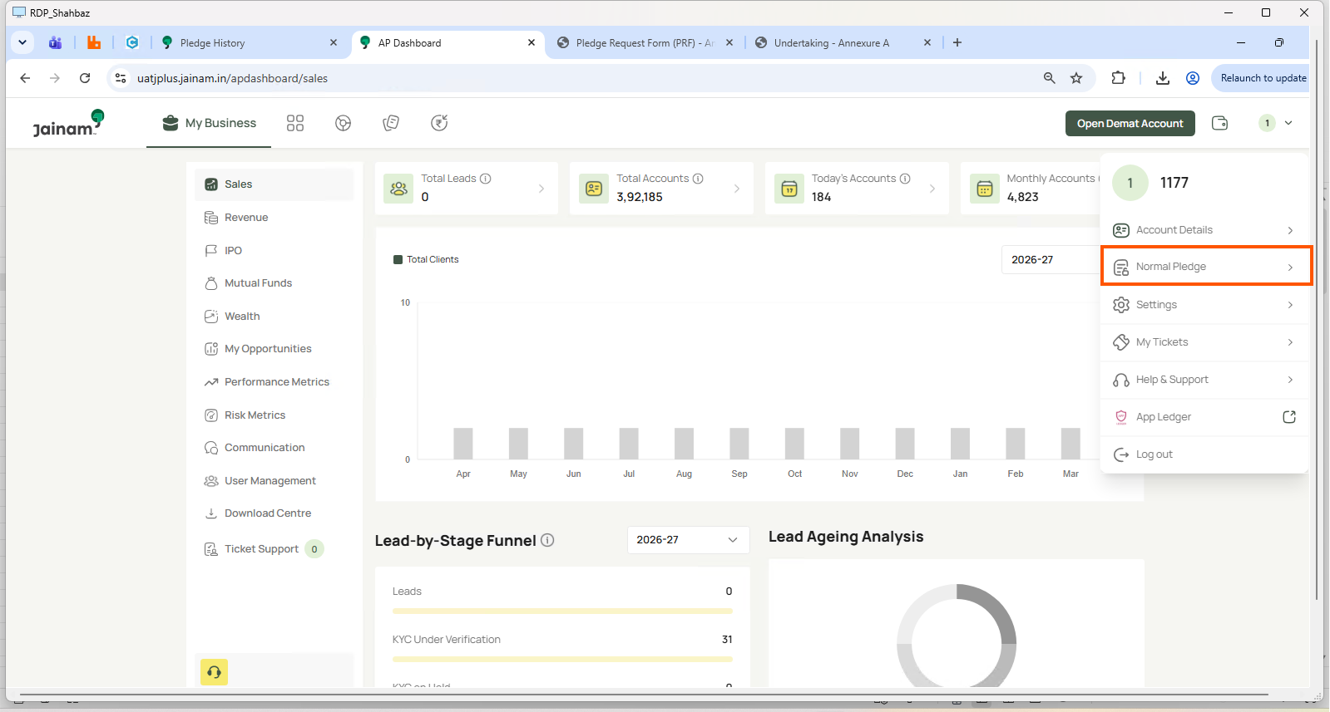

First pleadge completed

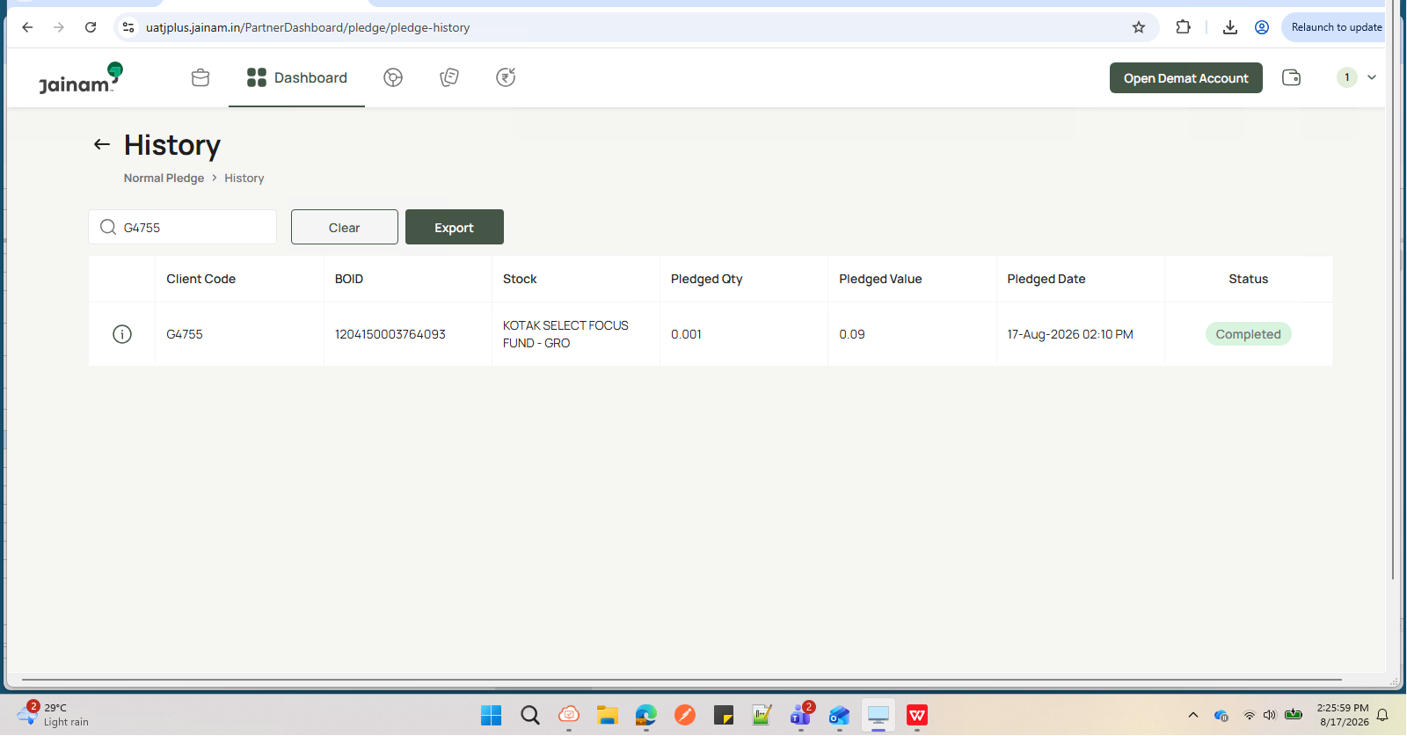

invalid client code validation
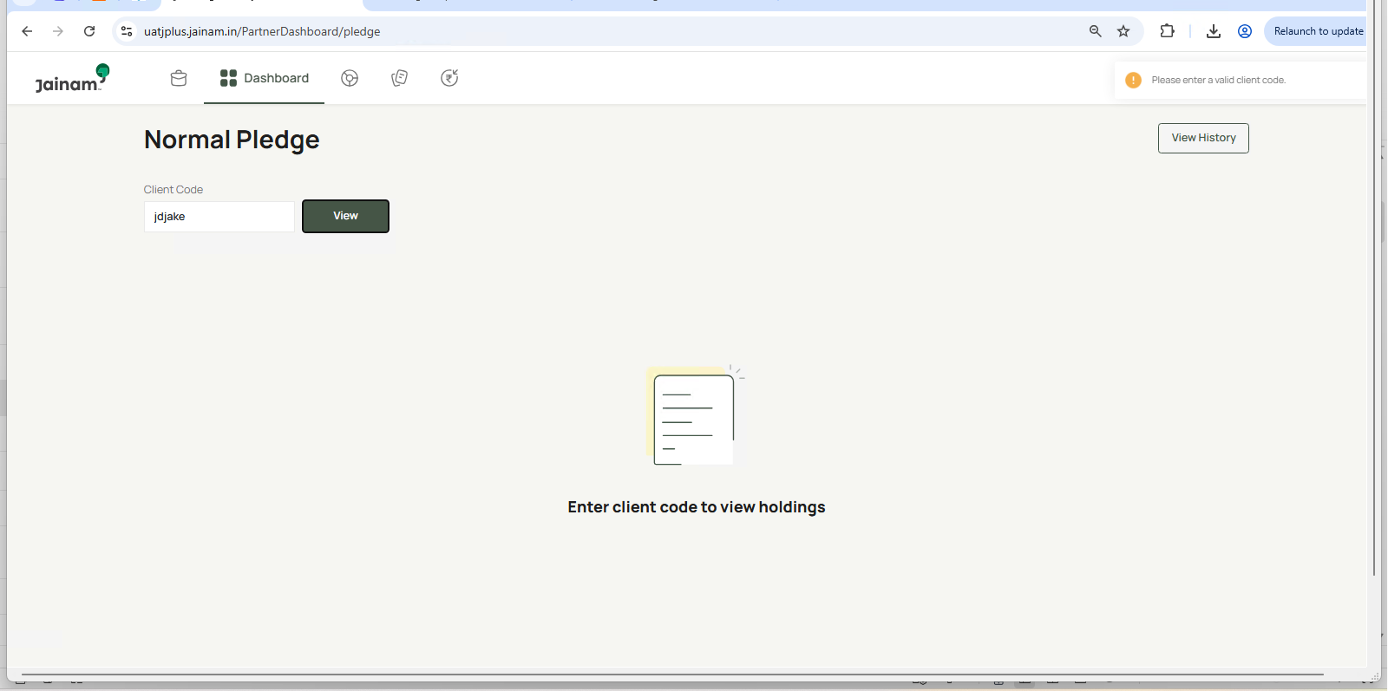

View button is disabled and View History button is disabled. |  | All disclosure points defined in the BRD are displayed correctly. | Disclosure popup/page is displayed with Important Notes and Proceed button.

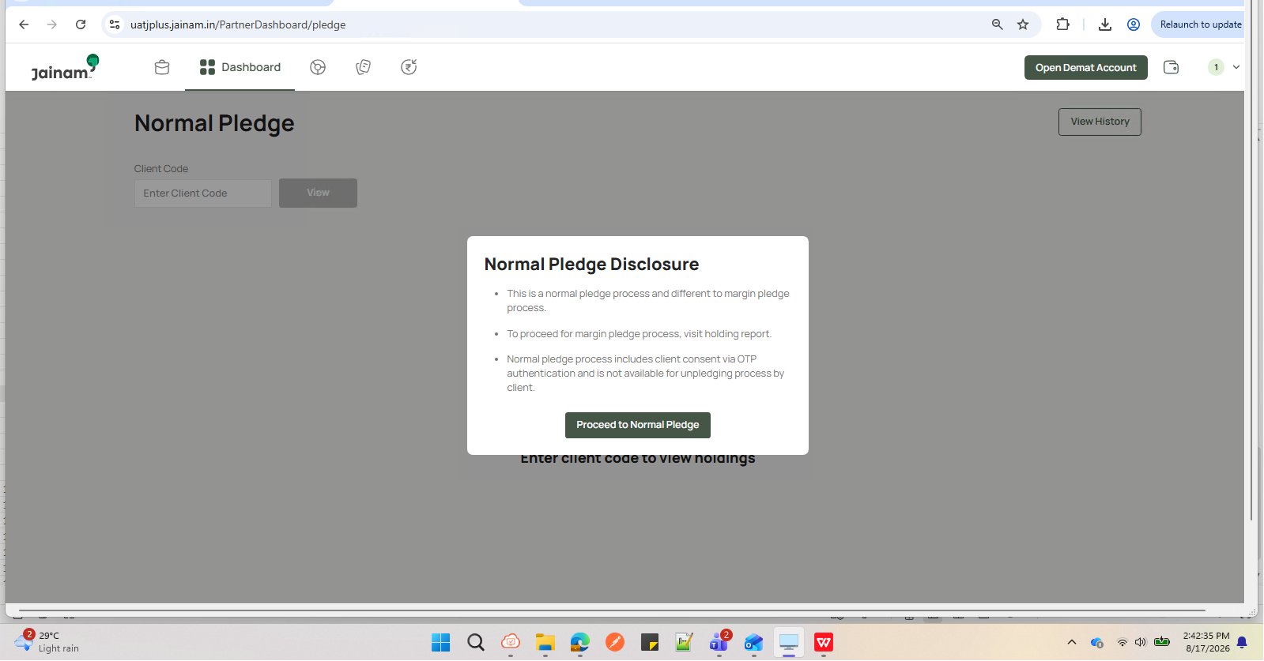

Scrip Name, Quantity, Eligible Qty, Closing Price, Pledge Qty, Max Total Value are displayed.

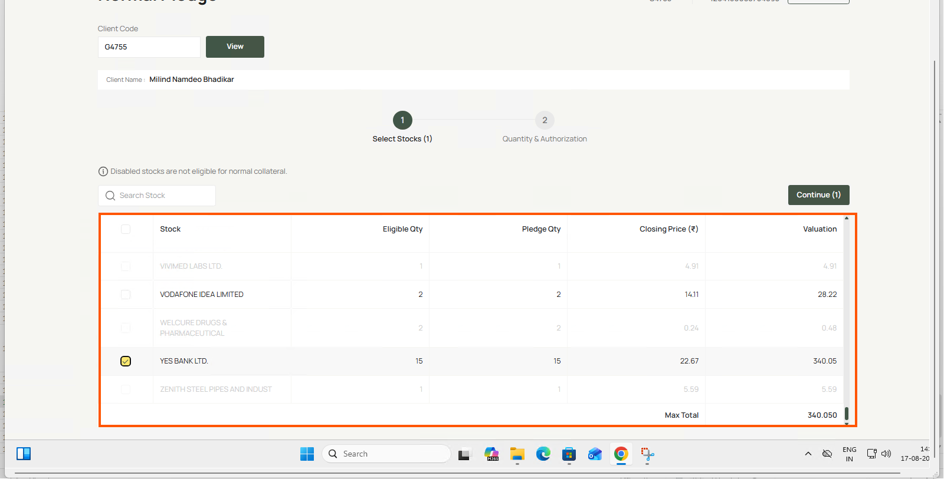

Only valid active holdings are displayed.

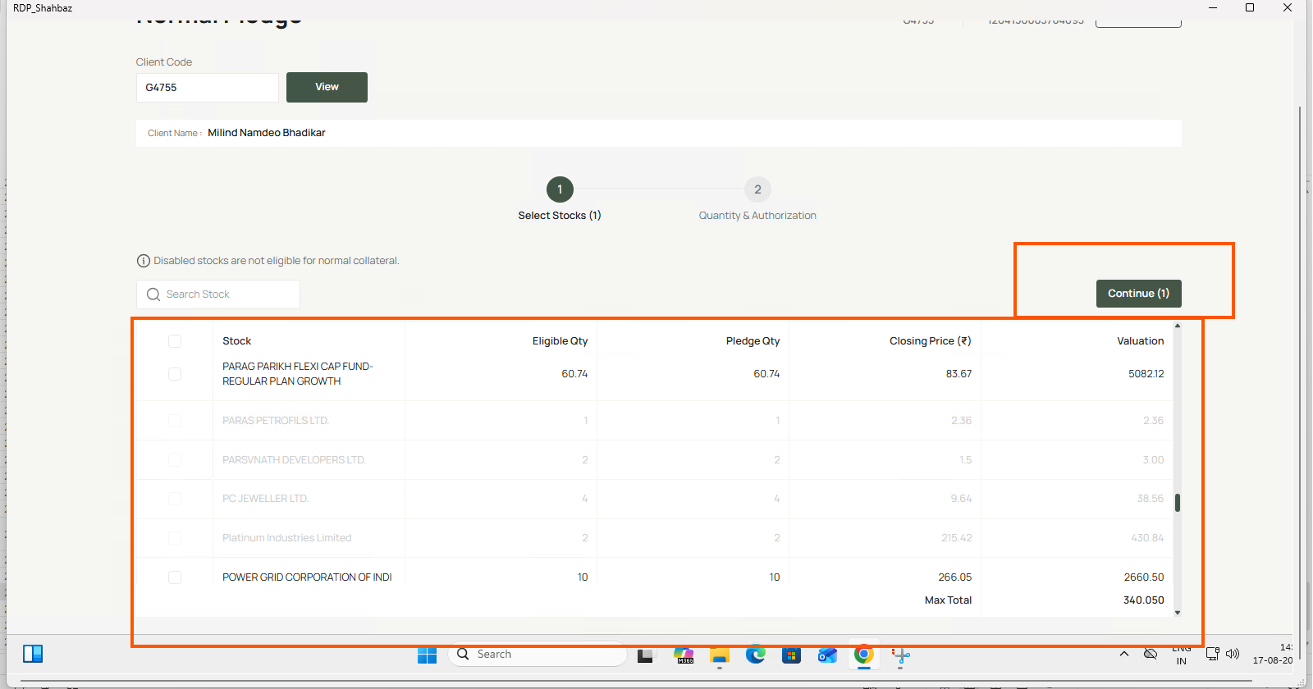

Eligible holdings are selectable.

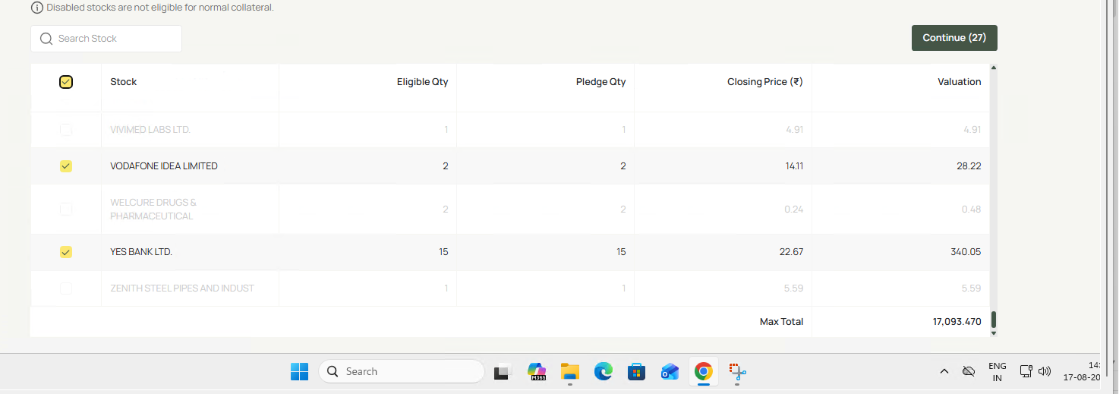

Checkbox remains disabled.

Verify latest closing price (LTP) is displayed.

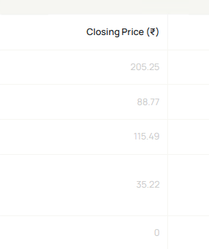

Max Total remains fixed while only holdings list scrolls.

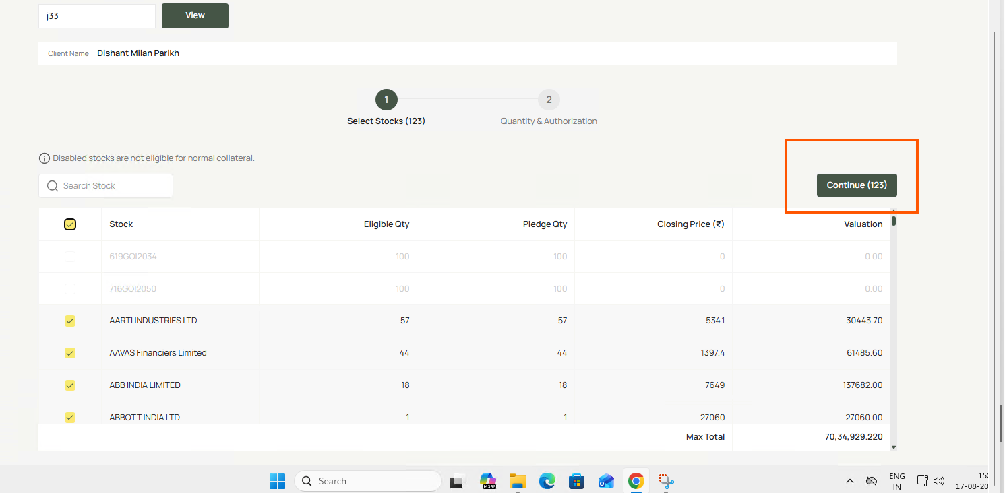

1. Select eligible stock.2. Enter maximum eligible quantity. | selected 23 qty

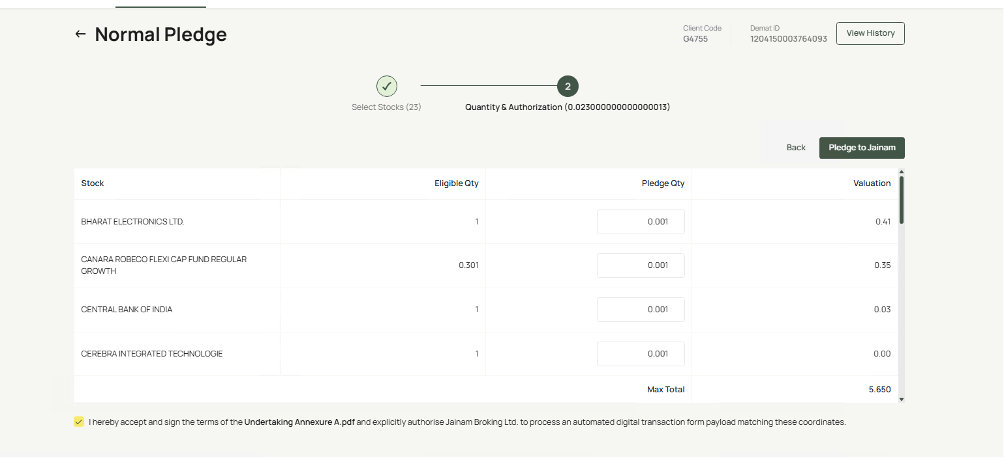

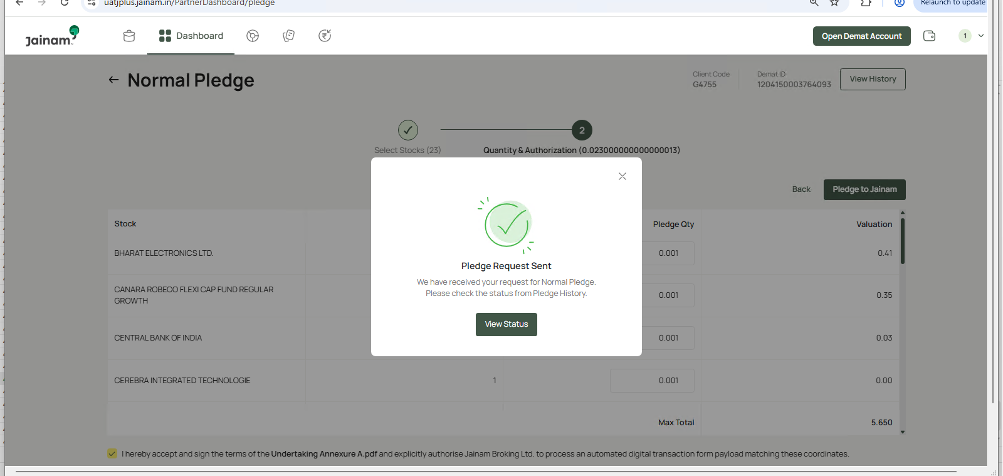

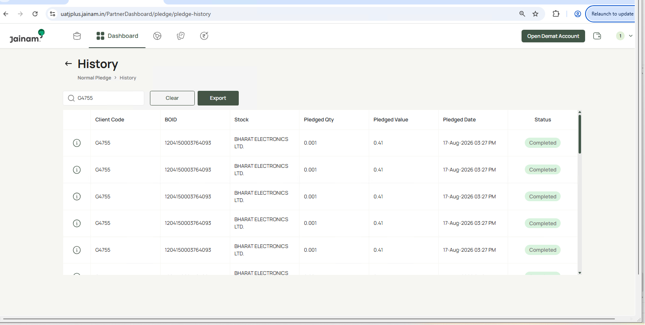

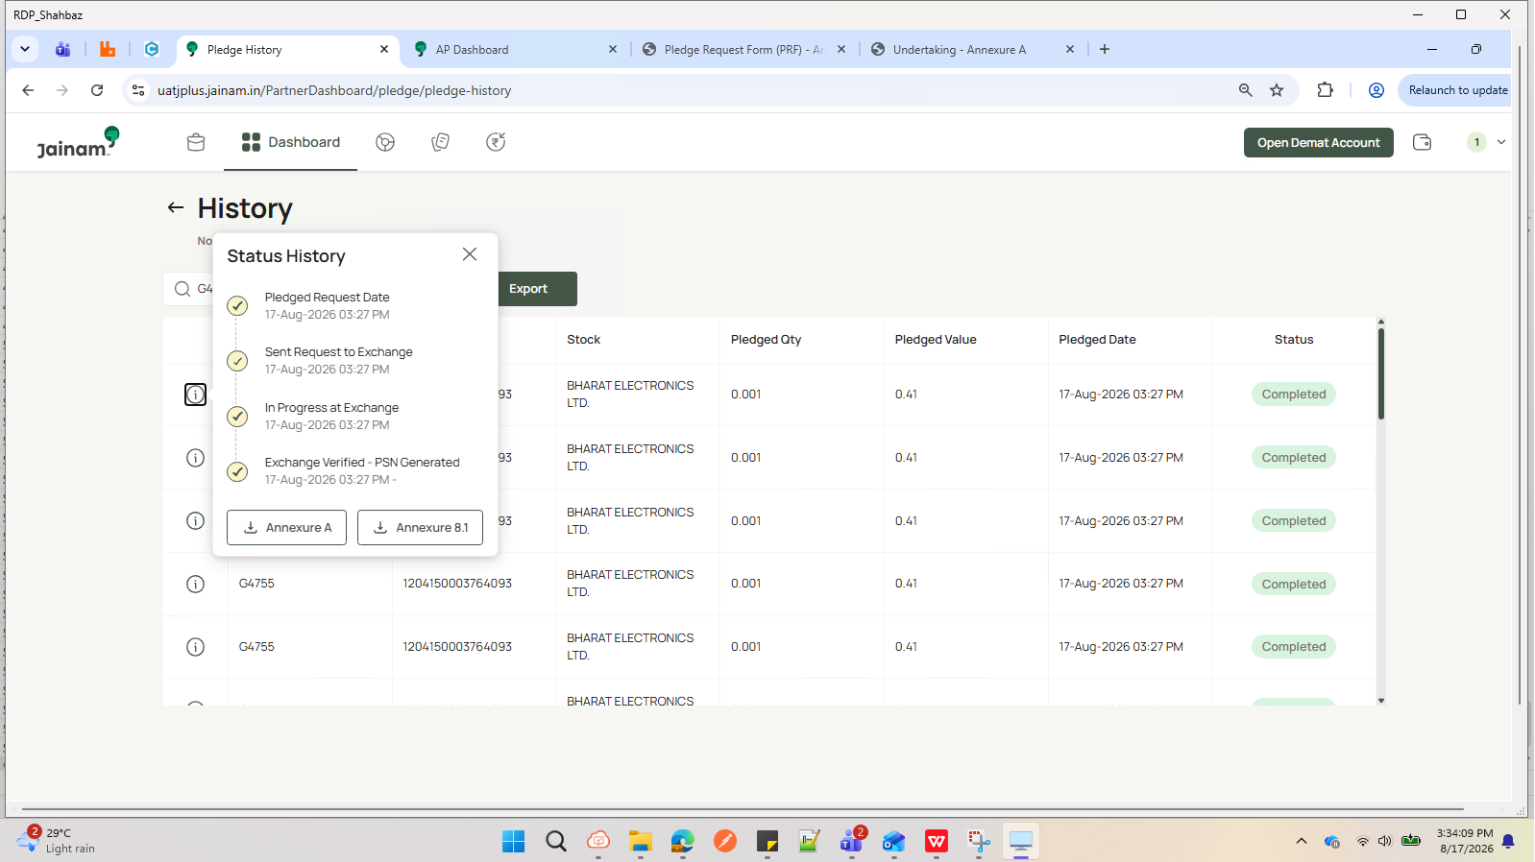

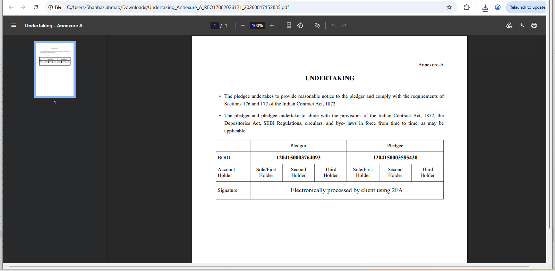

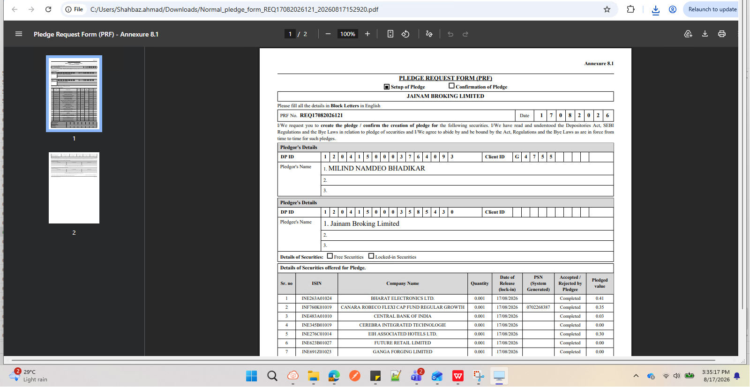

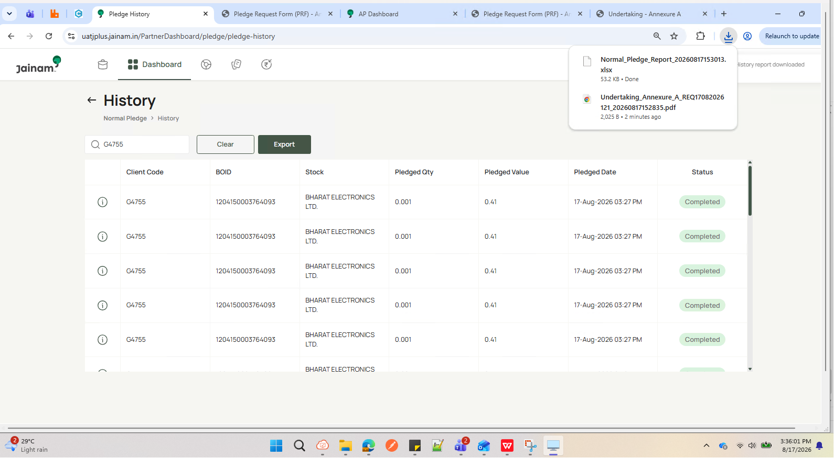

Exported File

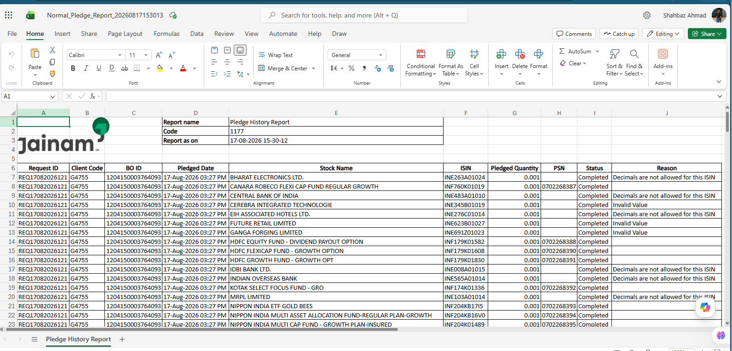

Verify system validation when quantity is zero.

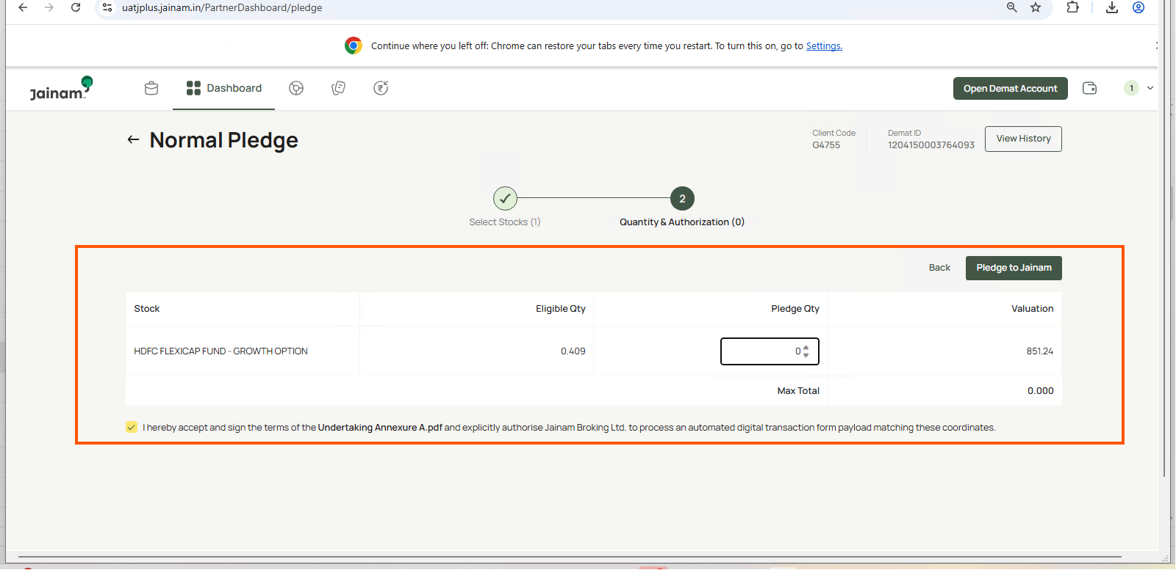

30 sec for resend otp

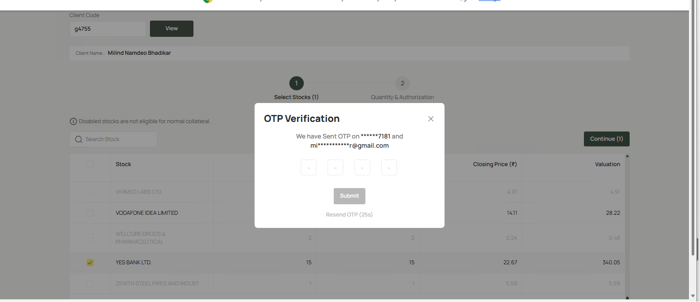

Verify decimal quantity is not accepted if only whole shares are allowed.

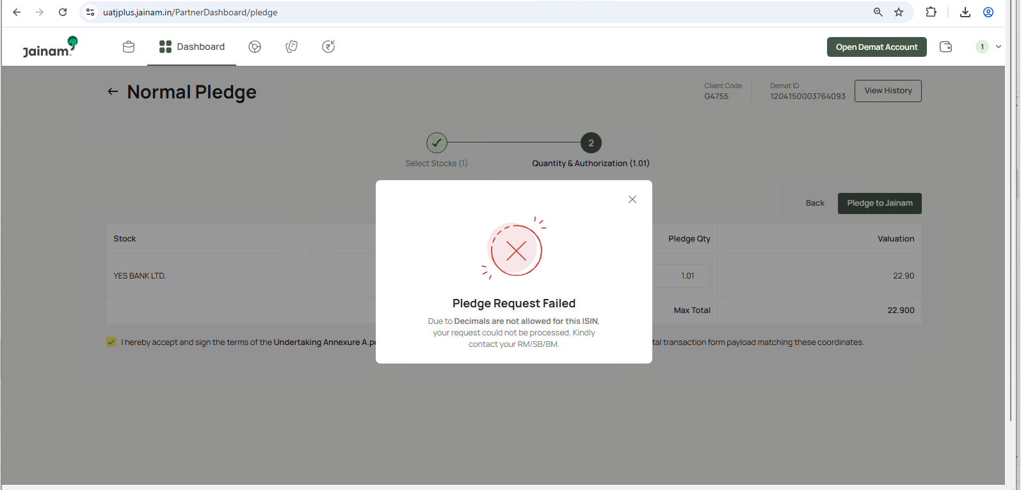

All selected securities are accepted.

Verify system behavior when no eligible holdings exist.

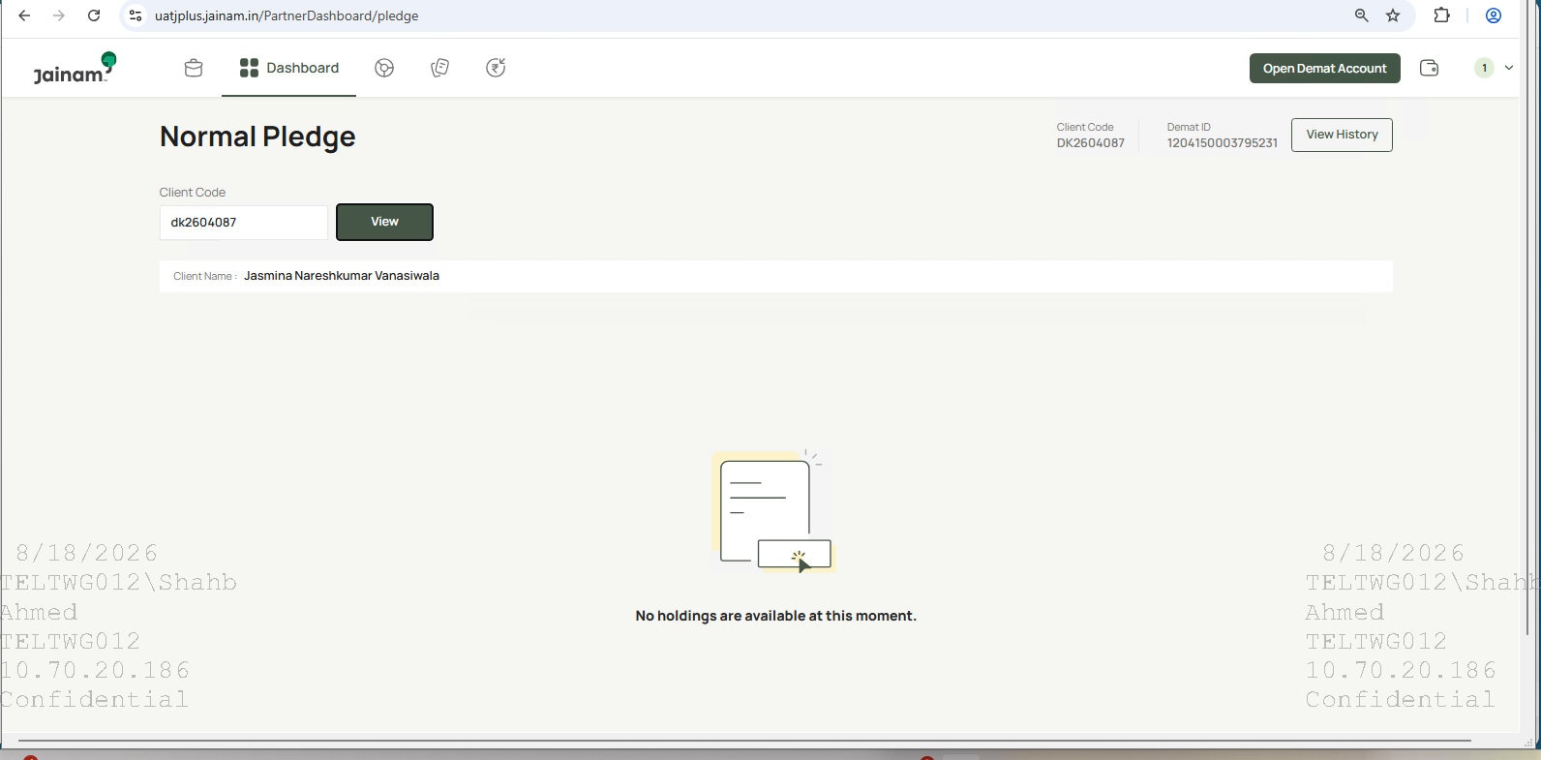

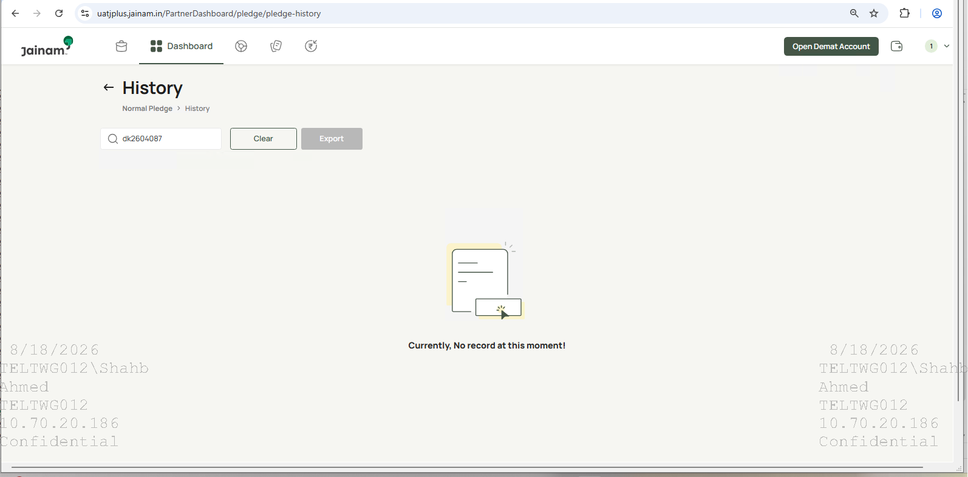

Verify pledge value updates immediately when quantity changes.
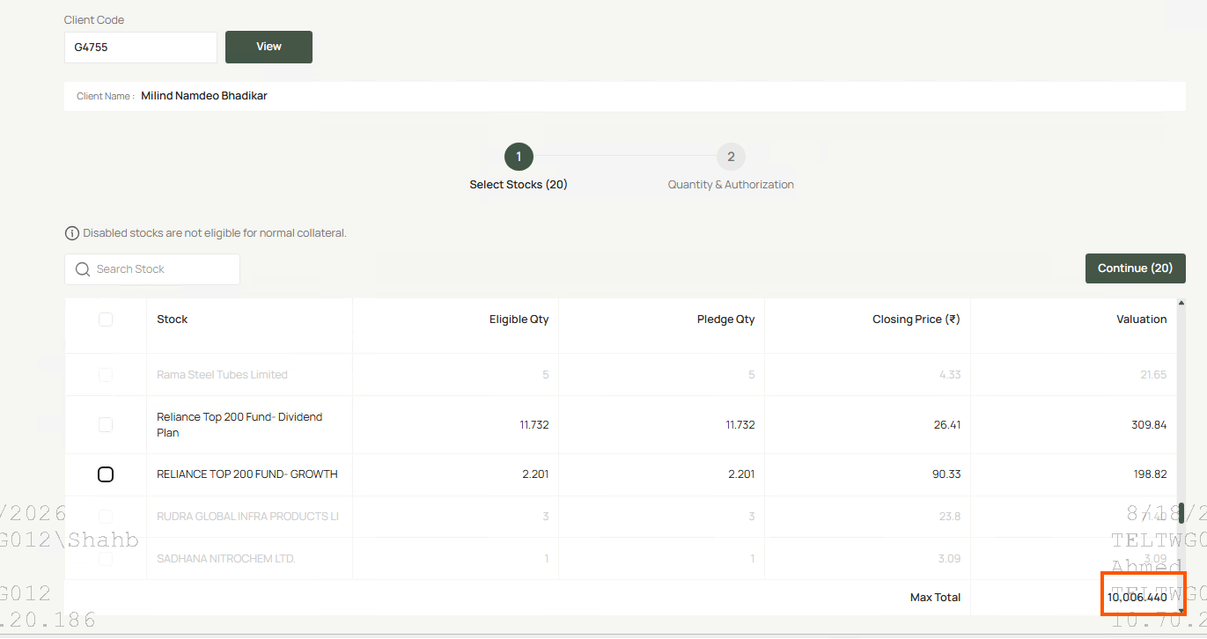

Verify total pledge value updates when a selected security is removed.

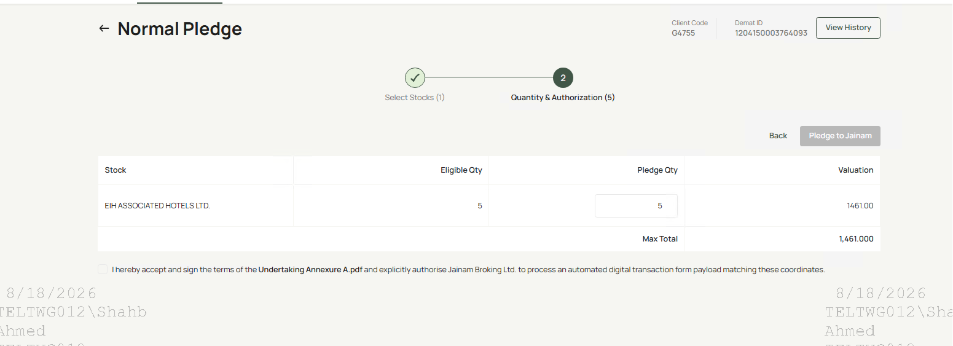

Verify the Pledge to Jainam button is displayed after selecting eligible securities.

OTP is received through both SMS and Email.
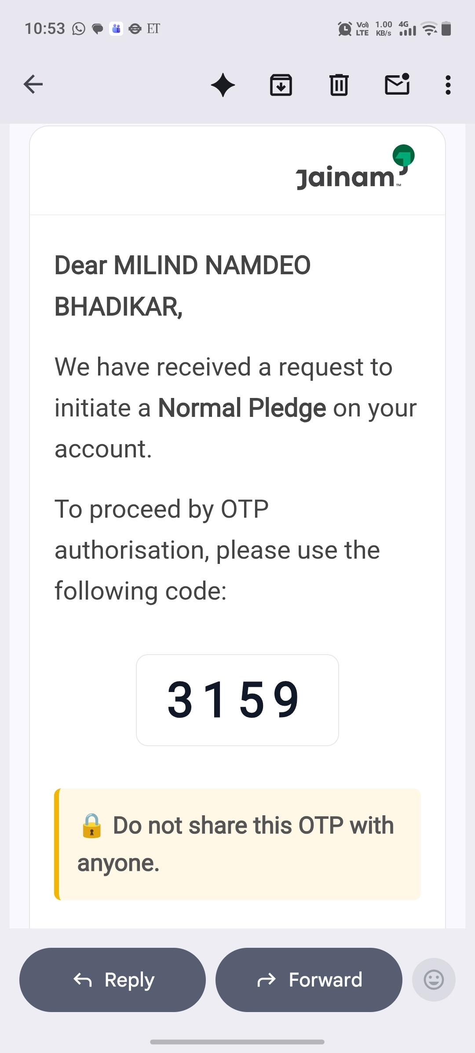
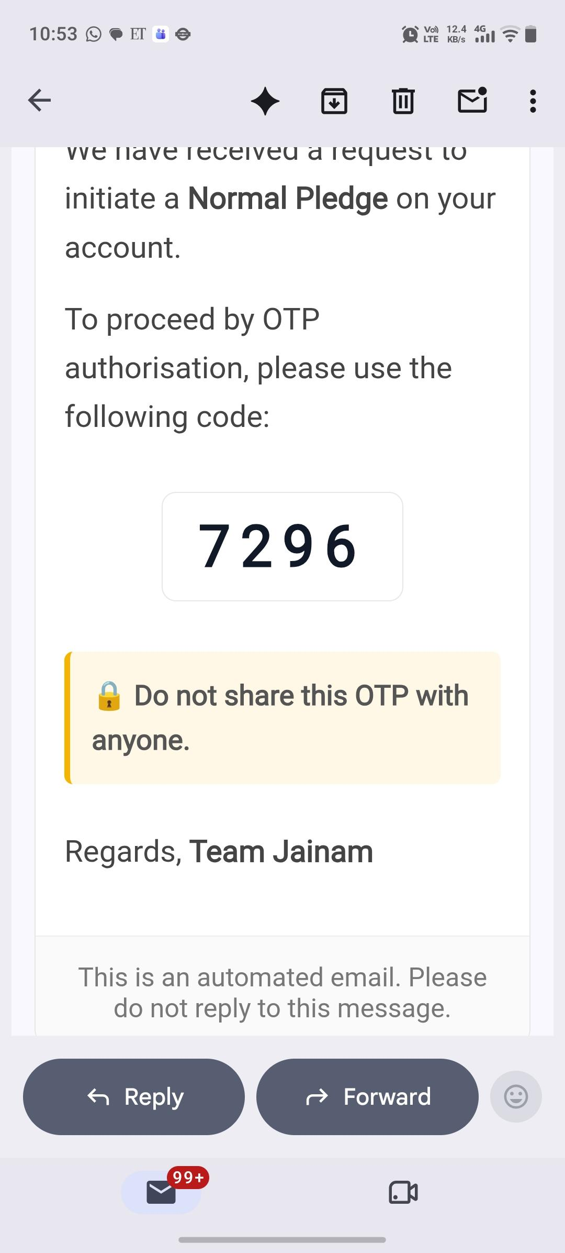
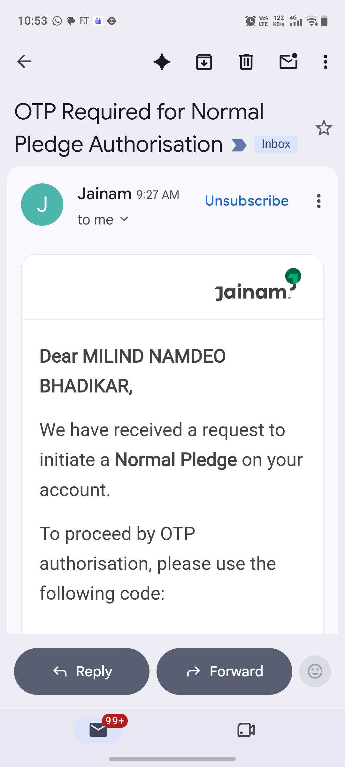
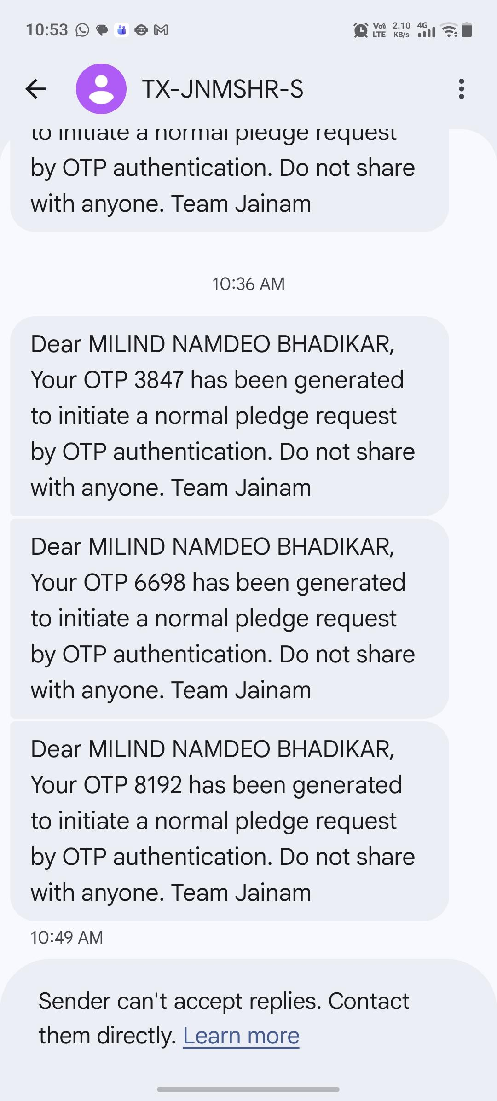

Error message displayed: "Entered OTP is incorrect. Enter correct OTP."

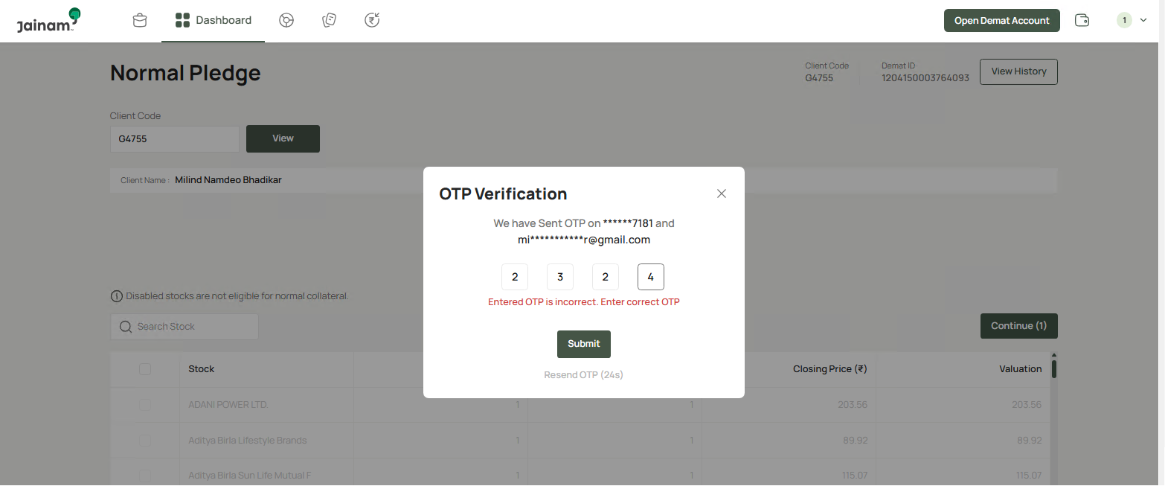

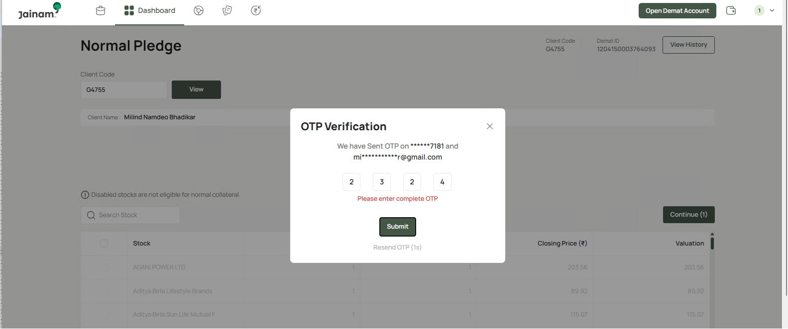

Leave OTP blank and submit. |  | Resend option becomes active after exactly 30 seconds.

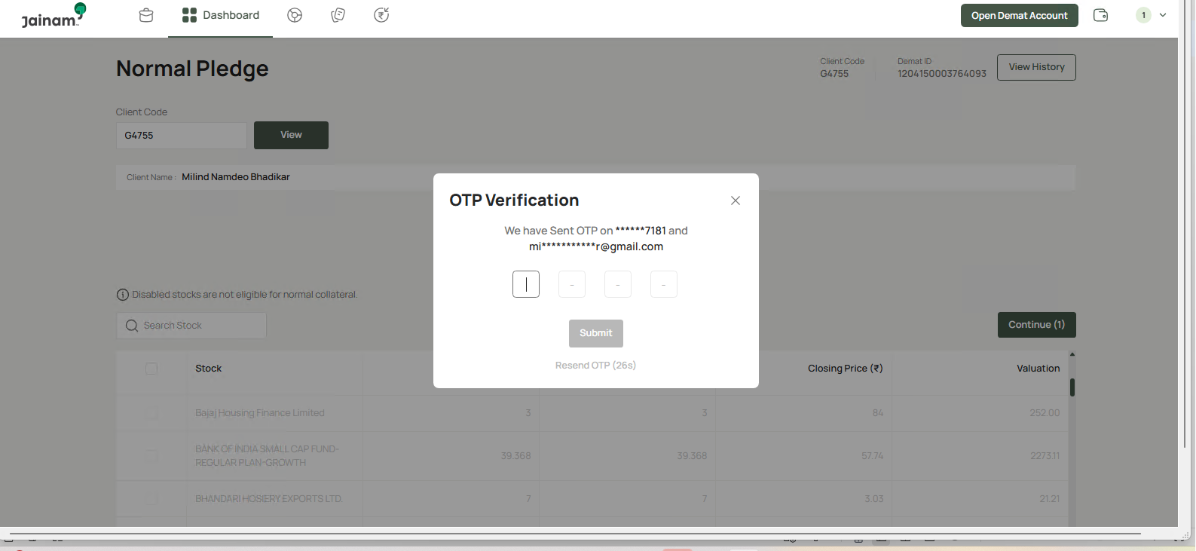

Annexure A consent and Terms & Conditions are displayed.

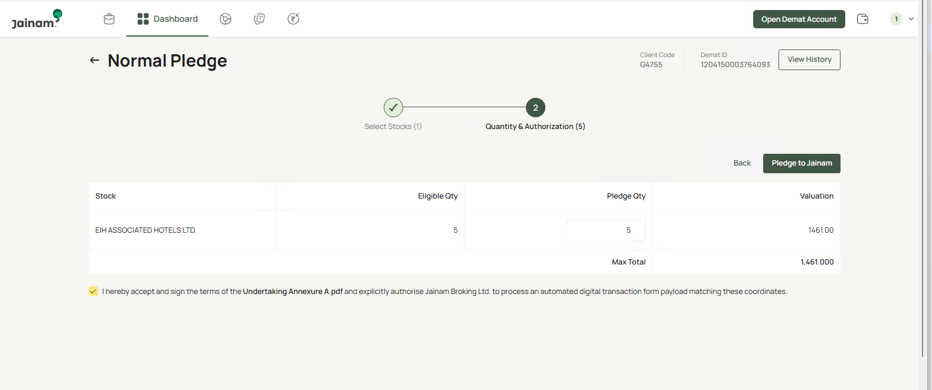

Leave checkbox unchecked and continue.

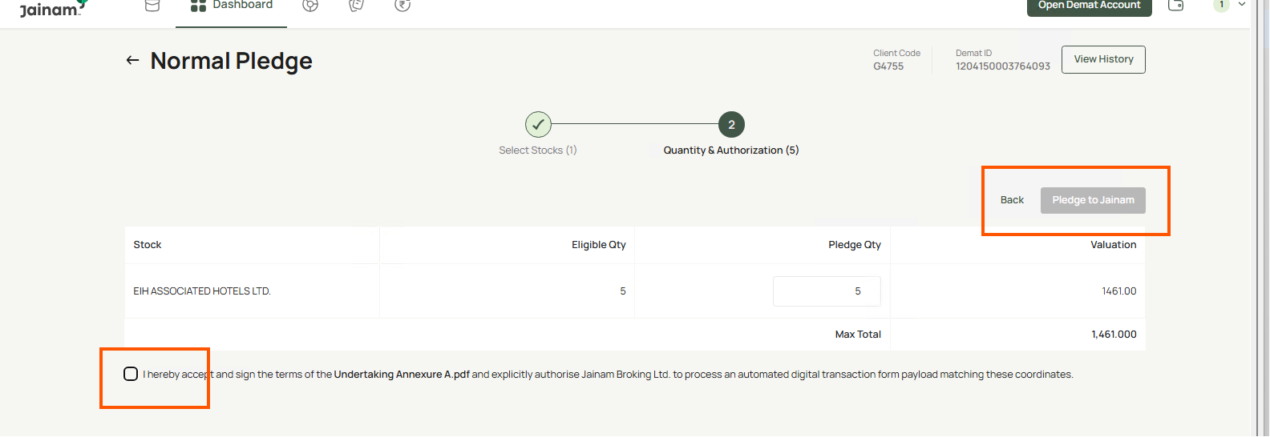

API response :-

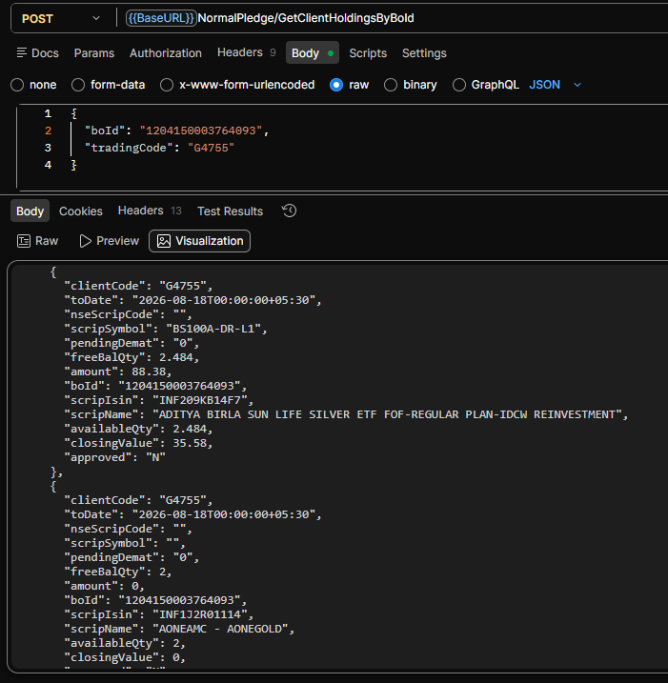
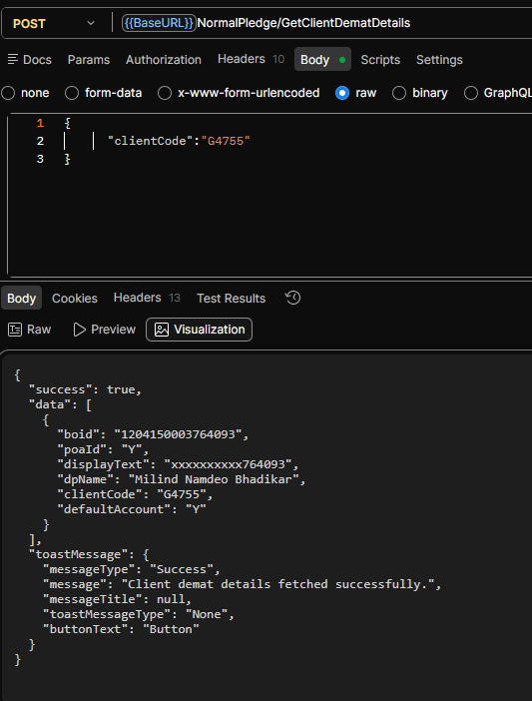

Annexure A and Annexure 8.1 PDFs are generated automatically.

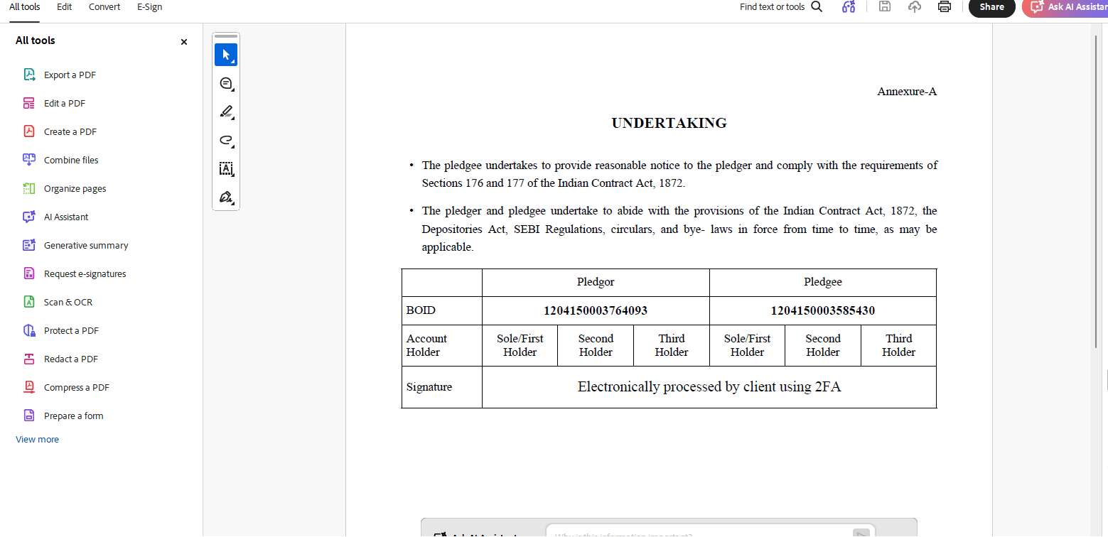

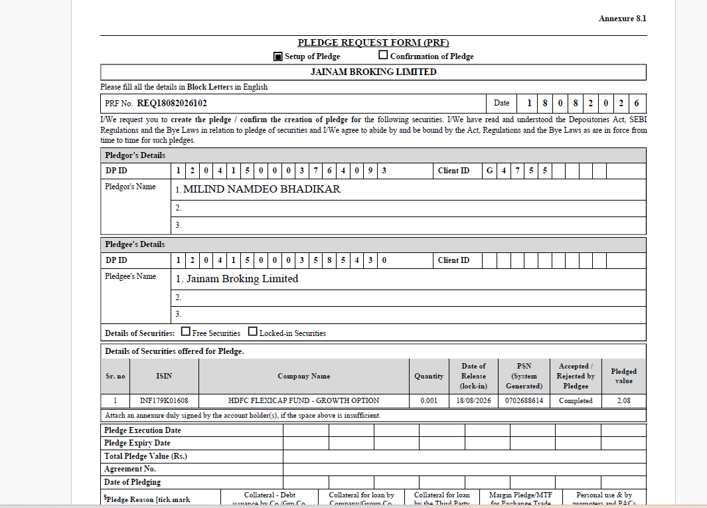

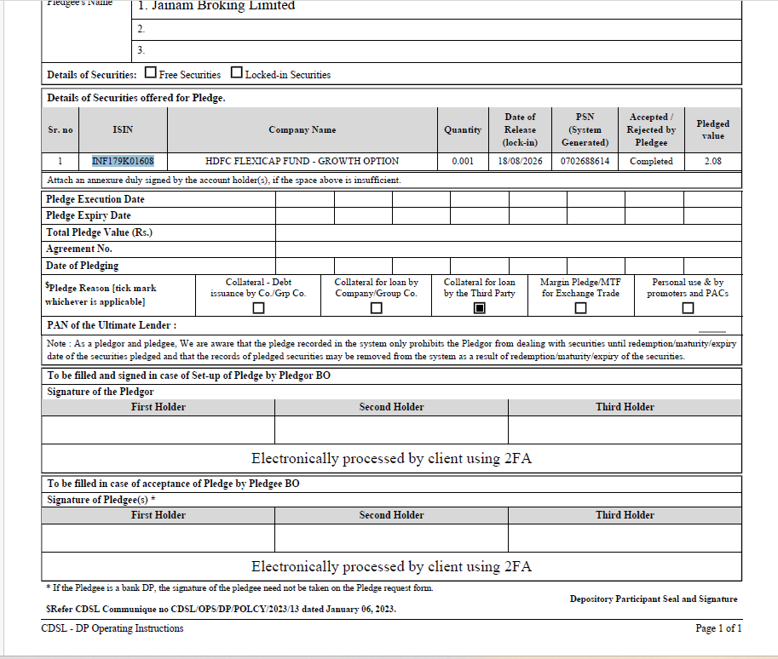

Signature placeholder displays "Electronically processed by client using 2FA" in all required locations.

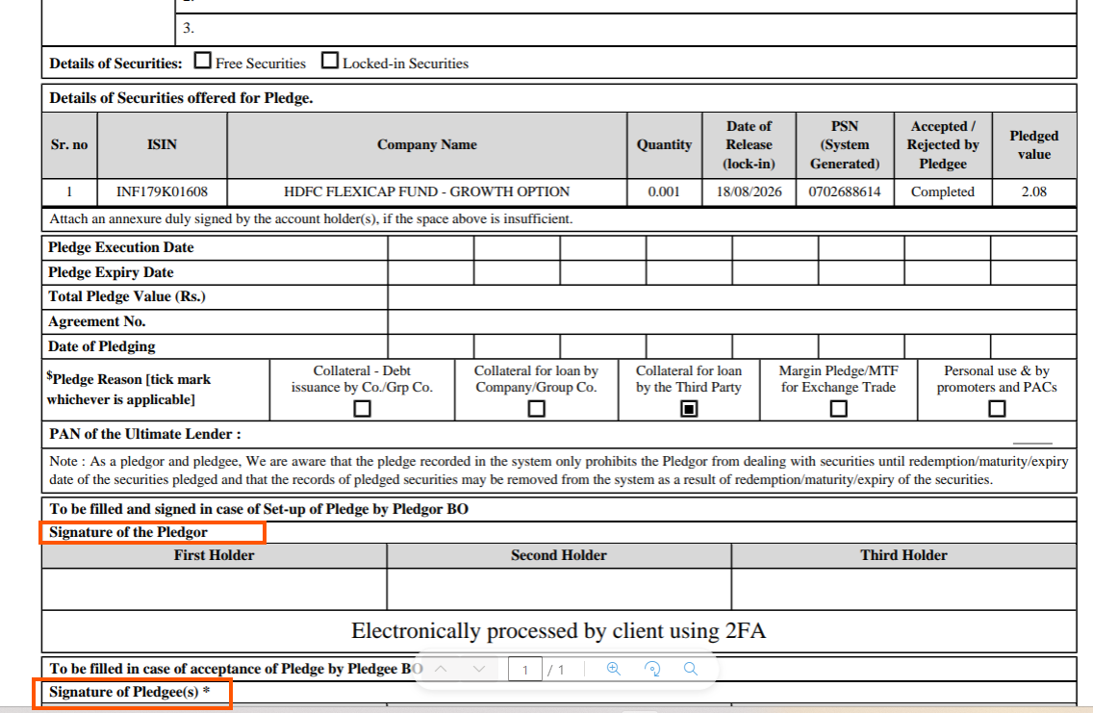

Generate pledge with multiple ISINs.

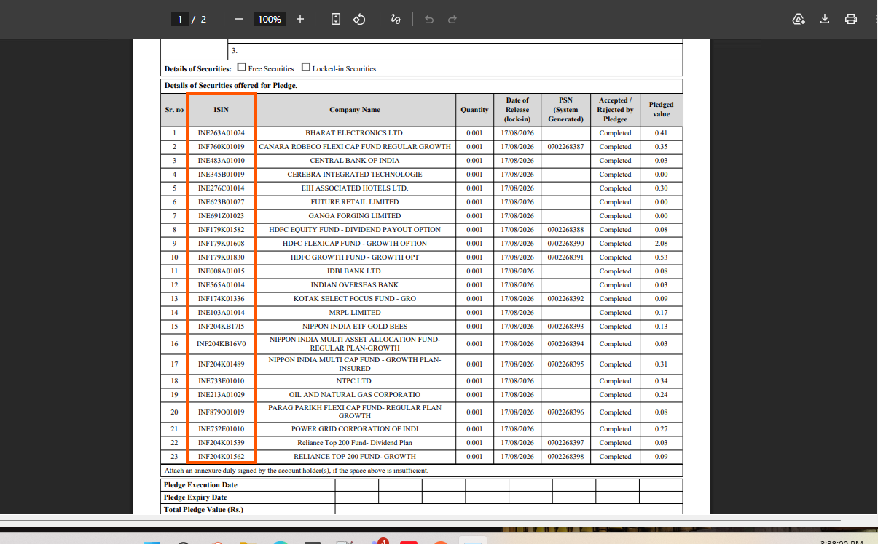

Confirmation email is delivered to the client's registered email.

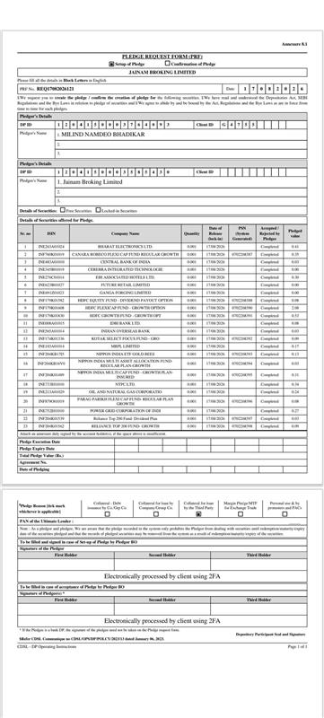

Verify inactive clients cannot proceed for Normal Pledge.

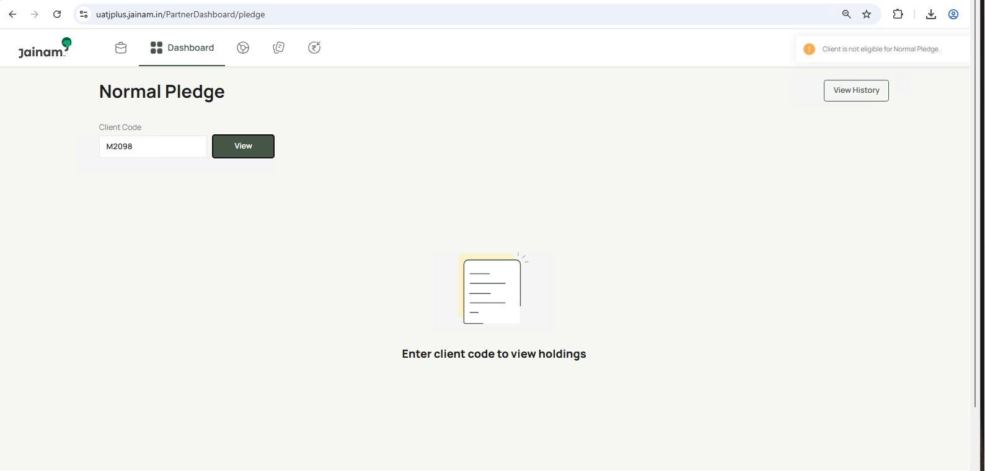

Verify clients having ( No POA/No DDPI) are allowed to proceed.

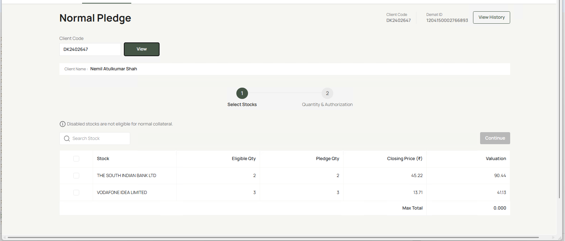

Verify user can open complete history without entering Client Code.

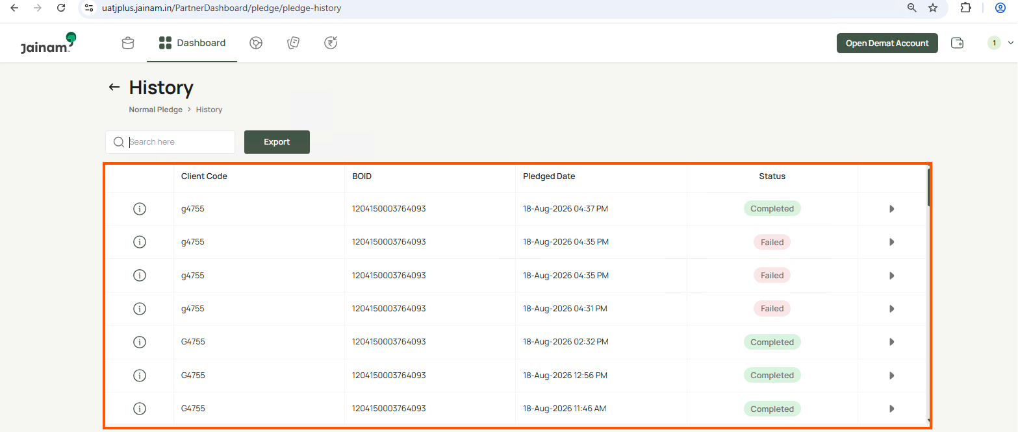

Verify search by Client Code

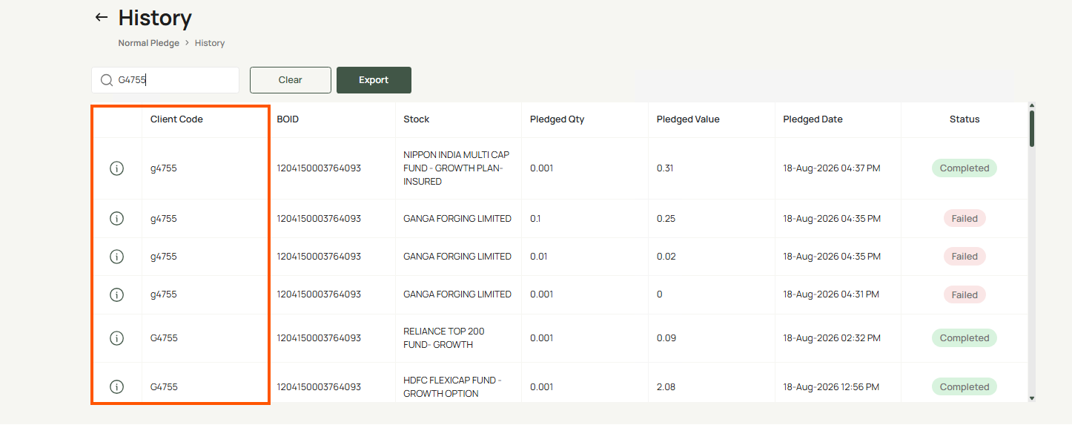

Verify search by BOID

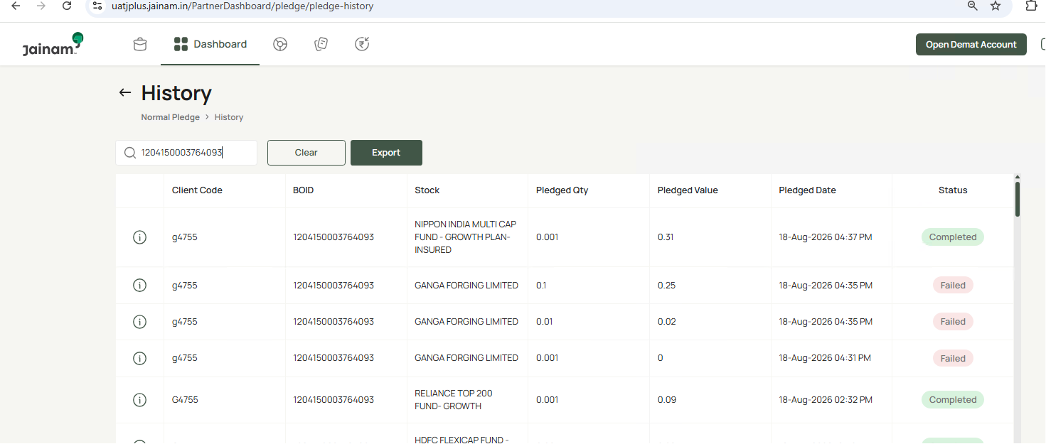

Export file downloads successfully.

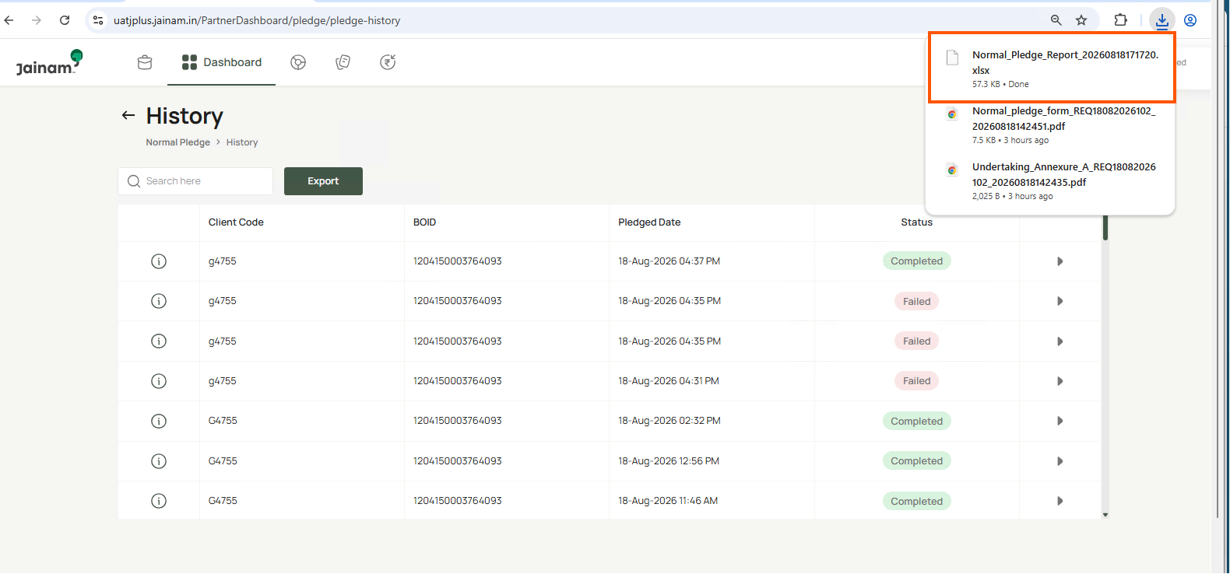

Verify status journey opens only by clicking the i button.

